Learn M
Solving tricky problems like this gets way easier when you know M.
Inside the course, I break down these exact scenarios with clear explanations and real-world examples.
Enroll Today

 | https://products.goodly.co.in/learn-m-powerquery/?

If you prefer reading, I’ve written a book too - Power Query Beyond the User Interface
It’s full of real-world M examples that go beyond the Power Query editor.
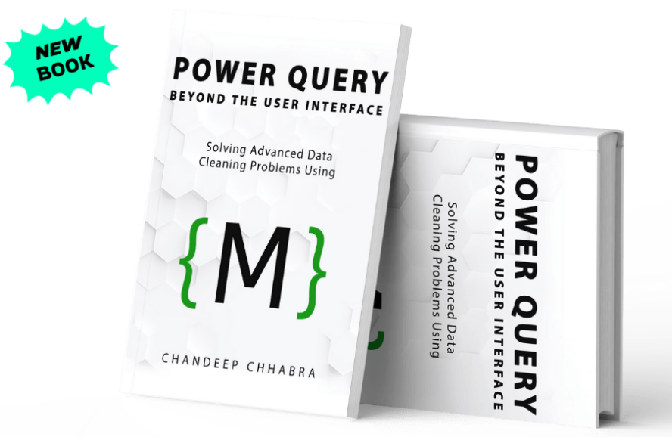

 |  | Grab Your Copy Today

